Full Data
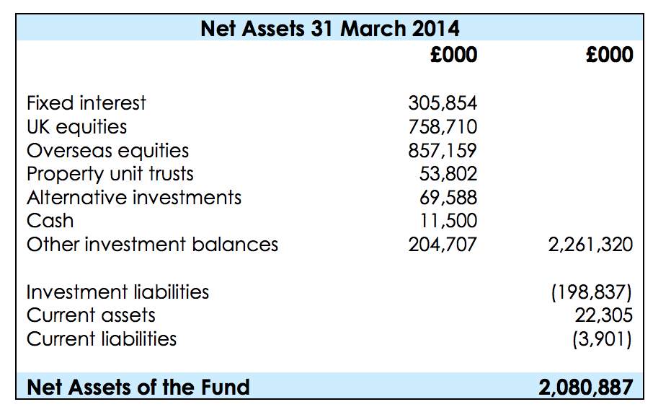
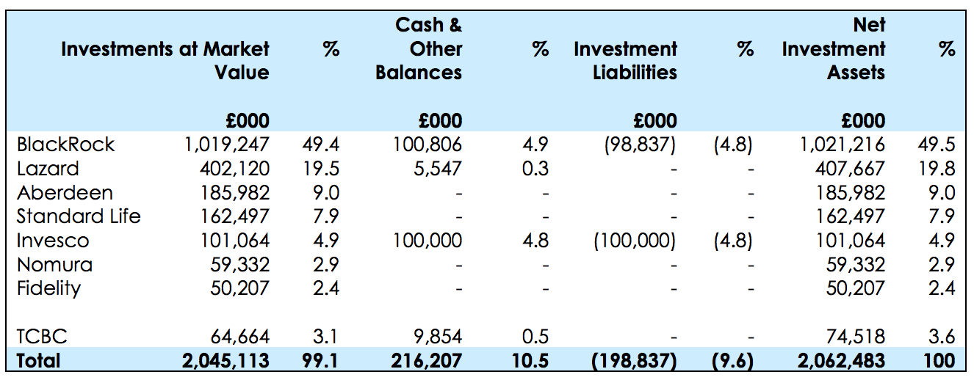
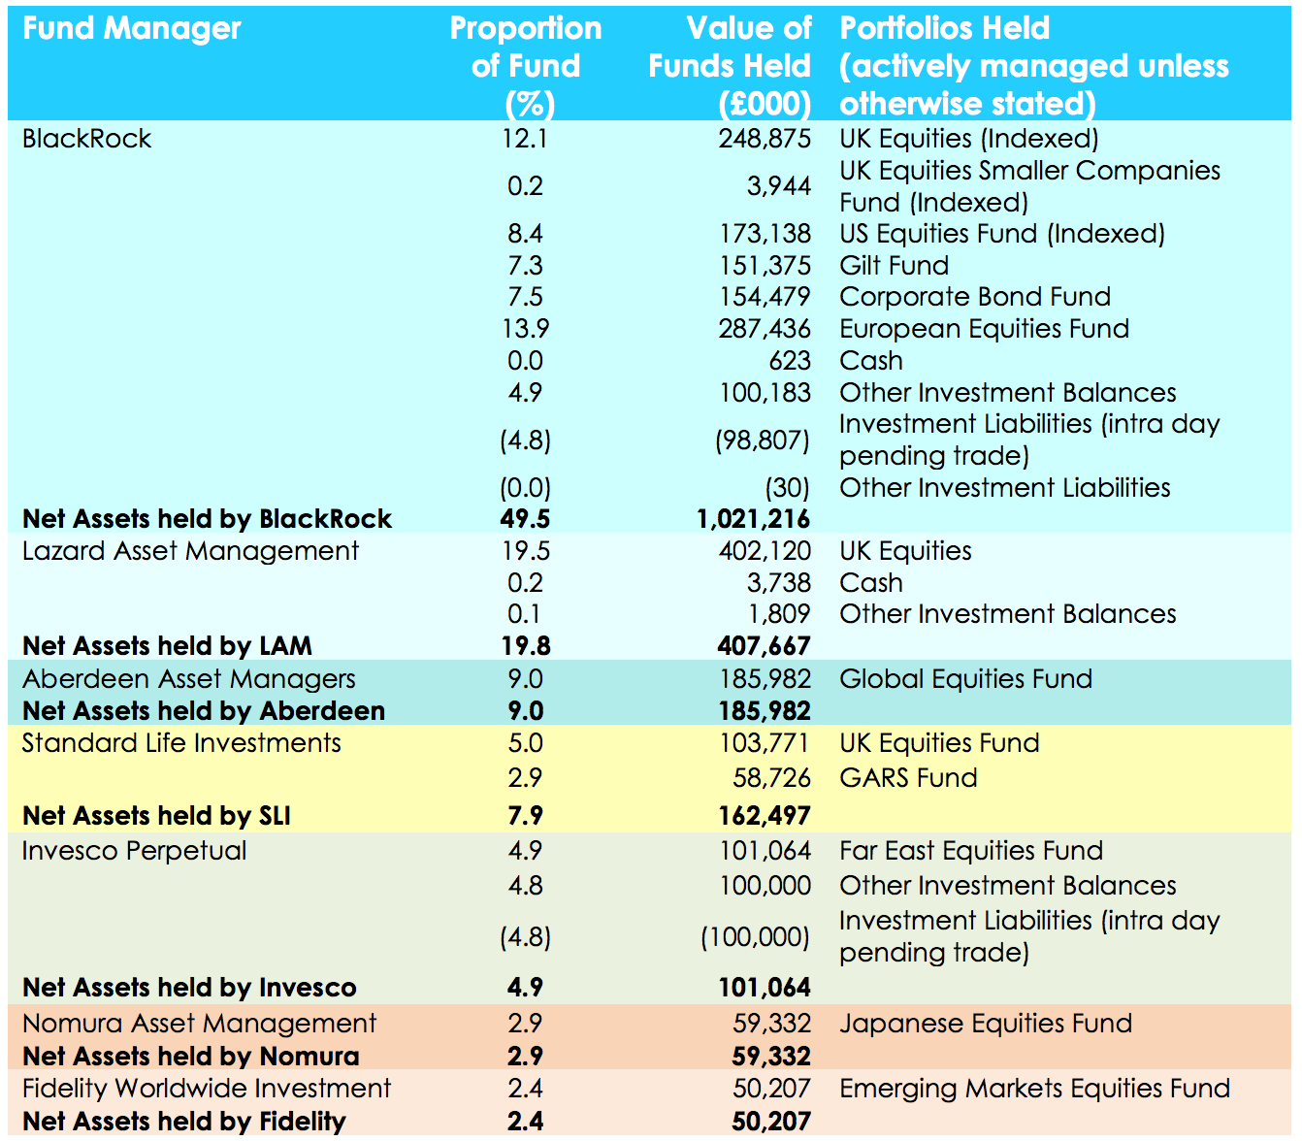
Name of Local Authority Pension Fund | Description of holding - equity, gilts, government bonds, non govt bonds etc | Sub-category/ Classification | Number of bonds/ shares | Fund manager | Amount
Torfaen Pension Fund
Torfaen Pension Fund
Torfaen Pension Fund
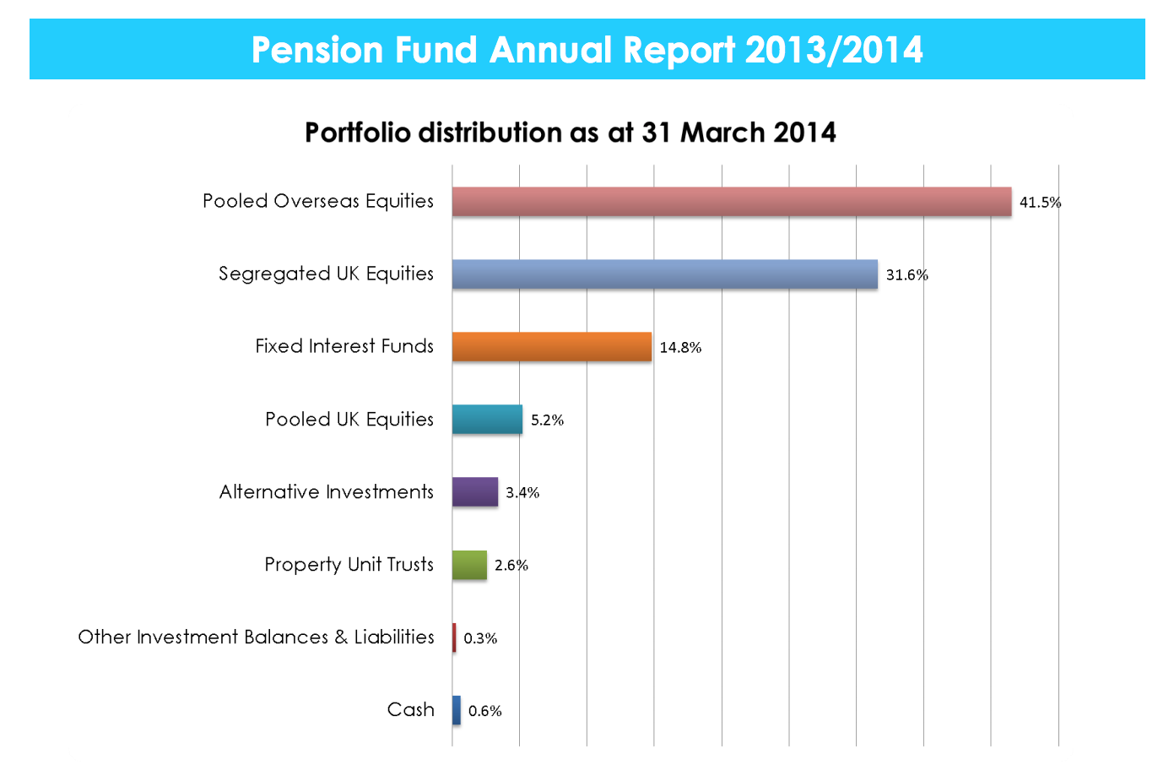
Torfaen Pension Fund
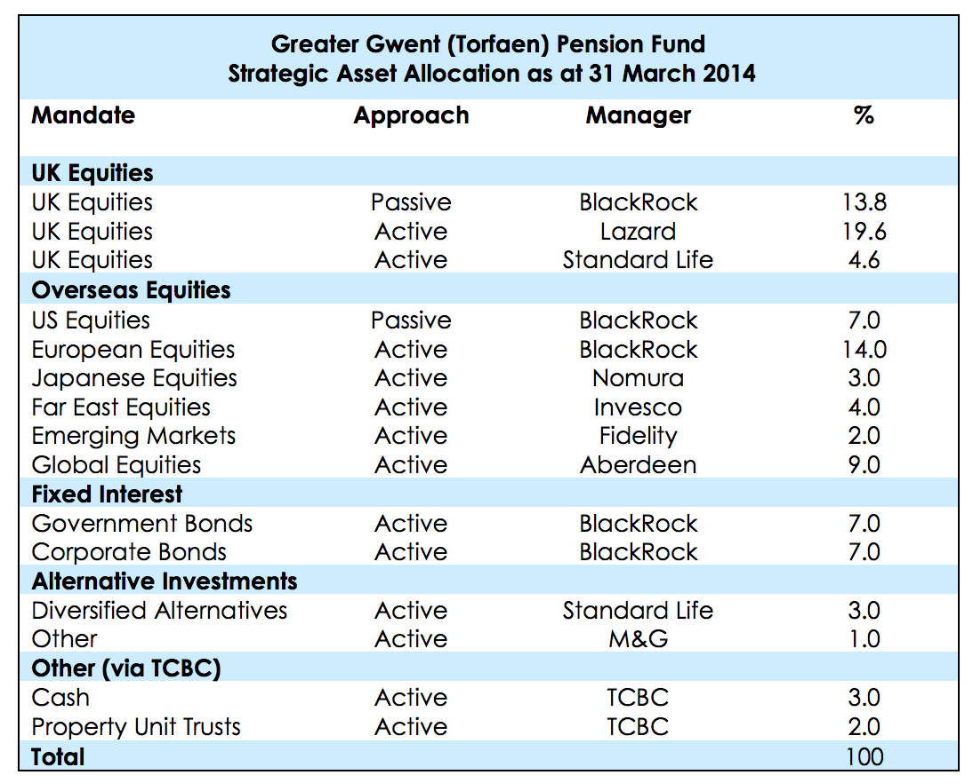
Torfaen Pension Fund
Torfaen Pension Fund
Torfaen Pension Fund
Torfaen Pension Fund
Torfaen Pension Fund
Torfaen Pension Fund
Torfaen Pension Fund

